Introduction
Mass Net: Measure of total mass of resources consumed in production of given product (section excludes all water) (kg/kg).
Energy: Measure of the total energy input required to produce the amount of product compound in question (MJ/kg).
Global Warming Potential (GWP): Measure of carbon emissions associated with production of a given compound (kg CO2 equivalents).
Acidification: Measure of a compound's propensity to release H+ protons (acidic) into the environment (kg SO₂ equivalents).
Eutrophication: Measure of a compound's potential to add nutrients (nitrates, phosphates) to the natural environment. Excessive eutrophication can cause hypoxia, algal blooms, and other negative environmental shifts (kg phosphate equivalents).
Water: Measure of the amount of water used in production of a given compound (section has been updated to include water use inherent to the stepwise synthesis being evaluated) (kg/kg).
LCA Categories
for Sustainability Assessment
Streamlined PMI-LCA Tool
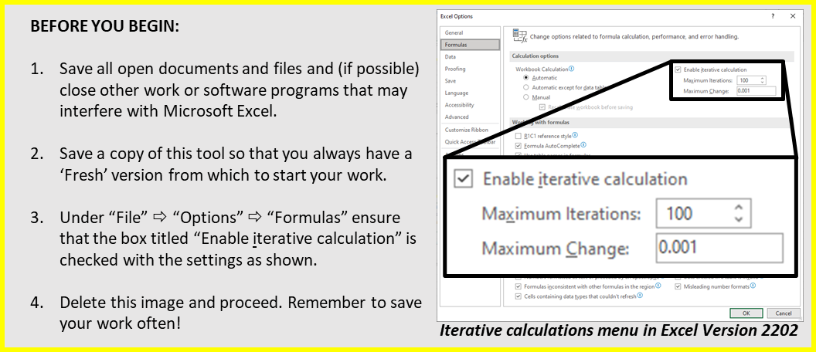 Disclaimer The American Chemical Society Green Chemistry Institute’s Pharmaceutical Roundtable (“the Roundtable”) has created this Streamlined PMI-LCA Tool to inform and guide users towards greener and more sustainable synthetic routes. The Roundtable has used reasonable efforts in collecting, preparing and providing quality information and calculations, but does not warrant or guarantee the accuracy, completeness, adequacy or currency of the information or calculations contained in the Streamlined PMI-LCA Tool. The Tool is meant to be a useful high-level calculator, but it is not conclusive; the PMI-LCA tool should be critically accessed by experts of any institute using it. By downloading, viewing and utilizing information from the Streamlined PMI-LCA Tool visitors assume full responsibility for their own actions and any damages or liabilities that may result from the utilization of information obtained from the Tool. Should you have any questions or comments about the PMI-LCA Tool or this disclaimer, please send an e-mail to gcipr@acs.org. The ACS GCI Pharmaceutical Roundtable does not endorse ecoinvent. Ecoinvent offers comprehensive, up-to-date and transparent life cycle inventory databases. For more than a decade ecoinvent has enabled companies to manufacture their products more in harmony with the environment, policymakers to implement new policies, and consumers to adopt a more environmentally friendly behavior. http://www.ecoinvent.org

Introduction
This tool is intended as a high-level estimator of process mass intensity (PMI) and environmental life cycle information that can be customized to fit a wide variety of linear and convergent processes for small molecule APIs. ecoinvent v2.2 database is utilized as the source for the life cycle assessment (LCA) data. This tool is limited to 6 LCA indicators: Mass Net, Energy, Global Warming Potential, Acidification, Eutrophication, and Water (definitions can be found below). With agreement from ecoinvent, there is no licensing fee provided the display is limited to a maximum of 6 LCA indicators. This tool will normalize steps to produce 1 kg API, and display the contributions of steps and raw materials to the overall process PMI and each of the LCA metrics in both tabular and graphical formats.

All starting materials entered into the process stoichiometry table must be commodity chemicals or at least iGAL-aligned (innovation Green Aspiration Level) - i.e. available in a common chemical catalog with a pricing of less than $100/mol at bulk quantity (see https://www.acsgcipr.org/tools-for-innovation-in-chemistry/green-chemistry-innovation-scorecard-calculator-igal/). Pricing may originate from the catalog or an invoice or PO (not a quote) from a reliable supplier.

Organic reagents have two classification options, iGAL-aligned organic reagent and non-iGAL aligned organic reagent. The same rules of commercial availability and $100/mol at bulk apply. The difference between these categories is their LCA multipliers. The iGAL-aligned organic reagent class multipliers come from an average of all organic solvent data. The multipliers for non-iGAL-aligned organic reagent class stem from AstraZeneca's "SMART Tool".
An iGAL-aligned organic reagent is usually a simpler organic molecule with ~4 carbons or less, or with limited functionality.
Non-iGAL-aligned organic reagents are usually more complex organic molecules with limited functionality/substitution, protecting groups, coupling reagents or ligands.

Several common solvents are absent from the ecoInvent v2.2 Database. These solvents, followed by their appropriate analogues, are listed below:
triethylamine -> dimethylamine
isooctane -> heptane
2-methyltetrahydrofuran -> THF
propyl acetate -> ethyl acetate
diisopropyl ether -> MTBE
...

2. Enter Step Details
DETAILS OF PROCESS STEPS: Fill in the yellow columns and add rows as necessary. |  |  |  |  |  |  |  | Add additional columns as needed
NOTE: Each step can have only one output, but that output can be used in multiple steps.
ê | ê | ê | ê | ê | ê | ê | ê | è | ç
Step Name | Input or Output | LCA Data Source Class | LCA Data Source Subclass | Display Name | Physical Mass (kg) | Step Instructions | Notes | Reviewer Comments | Reference | Real or Virtual | CAS # | Material Class
Placeholder Step | Input | iGAL_Aligned_Organic | Default iGal Aligned Organic Reagent | Placeholder RM | 1.00 | 1) Charge 1X (basis) Placeholder RM | 1kg = 1X basis |  | Placeholder Process Description § 1 | Real | xx | REAGENT
Placeholder Step | Output | None | None | Placeholder Product | 1.00 | 2) Isolate 1kg Placeholder Product | This gets packaged |  | Placeholder Process Description § 1 | Real |  | STEP PRODUCT
PACKAGE | Input | Process_Steps | Placeholder Step | Placeholder Product | 1.00 |  |  |  | PACKAGE | Real |  | Complex Input
PACKAGE | Output | None | None | Packaged Placeholder Product | 1.00 |  |  |  | PACKAGE | Real |  | STEP PRODUCT

NOTE: Do not edit 'PACKAGE' rows except to select the step for which the output is to be packaged.

Template:
$Metals Mass \left[kg\right]=\frac{\left(Overall Mass [kg]\right)}{\left(Overall MW\right)}×\sum{\left(Metals MW\right)}$
$Nonmetals Mass \left[kg\right]=\frac{\left(Overall Mass [kg]\right)}{\left(Overall MW\right)}×\sum{\left(Nonmetals MW\right)}$
Example: Charge 1.5kg of lithium bis(trimethylsilyl)amide.
Charging a complex reagent with a special metal:
Template:
$Solute A Mass \left[kg\right]=\left(Solute A weight \%\right)$
$Solute B Mass \left[kg\right]=\left(Solute B weight \%\right)$
$Solvent Mass \left[kg\right]=\left(100−\sum{Solute wt \%}\right)$
$Output Mass \left[kg\right]=1$00 (or $\sum{Solvent+Solute}$)
Example: Aqueous solution with 10 wt% NaCl and 5 wt% MgCl₂
Define a solution by weight percent or mass fraction
Template:
$Solute Mass \left[kg\right]=\left(Molarity of Solution\right)×\left(Solute MW \left[\frac{g}{mol}\right]\right)×\left(\frac{1 \left[kg\right]}{1000 [g]}\right)$
$Solvent Mass \left[kg\right]=\left(1 [L]\right)\left(solution density \left[\frac{kg}{L}\right]\right)$
$Output Mass \left[kg\right]=$($\sum{solvent+solute}$)
Example: 2M KOH in water (neglecting solvent density change)
Define a solution by molarity
Examples of Common Calculations

3. Process Metrics Dashboard
NOTIFICATIONS (ENSURE ALL ROWS ARE VISIBLE) [press 'F9' to refresh calculations if necessary]
> Everything looks good! Be sure to RESET > RUN > FREEZE the Graph Dynamics and the Step Scaling Iterator before evaluating results!

Process Network Graph for the Synthesis of Packaged Placeholder Product
 | Process Steps |  | Raw Materials |  | Steps and RMs for Labeling |  | Arrows
#N/A | #N/A | 0.50 | 0.50 | 0.50 | 0.50 | #N/A | #N/A
1.00 | 1.00 | #N/A | #N/A | 1.00 | 1.00 | 0.5 | 0.5
#N/A | #N/A | #N/A | #N/A | #N/A | #N/A | 0.8232233047 | 0.8232233047
2.00 | 0.00 | #N/A | #N/A | 2.00 | 0.00 | #N/A | #N/A
 |  |  |  |  |  | #N/A | #N/A
 |  |  |  |  |  | #N/A | #N/A
 |  |  |  |  |  | #N/A | #N/A
 |  |  |  |  |  | #N/A | #N/A
 |  |  |  |  |  | 1 | 1
 |  |  |  |  |  | 1.5 | 0.5
 |  |  |  |  |  | 1.8232233047 | 0.1767766953
 |  |  |  |  |  | #N/A | #N/A
 |  |  |  |  |  | #N/A | #N/A
 |  |  |  |  |  | #N/A | #N/A
 |  |  |  |  |  | #N/A | #N/A
 |  |  |  |  |  | #N/A | #N/A
 |  |  |  |  |  | #N/A | #N/A
 |  |  |  |  |  | #N/A | #N/A
 |  |  |  |  |  | #N/A | #N/A
 |  |  |  |  |  | #N/A | #N/A
 |  |  |  |  |  | #N/A | #N/A
 |  |  |  |  |  | #N/A | #N/A
 |  |  |  |  |  | #N/A | #N/A
 |  |  |  |  |  | #N/A | #N/A
 |  |  |  |  |  | #N/A | #N/A
 |  |  |  |  |  | #N/A | #N/A
 |  |  |  |  |  | #N/A | #N/A
 |  |  |  |  |  | #N/A | #N/A
 |  |  |  |  |  | #N/A | #N/A
 |  |  |  |  |  | #N/A | #N/A
 |  |  |  |  |  | #N/A | #N/A
 |  |  |  |  |  | #N/A | #N/A
 |  |  |  |  |  | #N/A | #N/A
 |  |  |  |  |  | #N/A | #N/A
 |  |  |  |  |  | #N/A | #N/A
 |  |  |  |  |  | #N/A | #N/A
 |  |  |  |  |  | #N/A | #N/A
 |  |  |  |  |  | #N/A | #N/A
 |  |  |  |  |  | #N/A | #N/A
 |  |  |  |  |  | #N/A | #N/A
 |  |  |  |  |  | #N/A | #N/A
 |  |  |  |  |  | #N/A | #N/A
 |  |  |  |  |  | #N/A | #N/A
 |  |  |  |  |  | #N/A | #N/A
 |  |  |  |  |  | #N/A | #N/A
 |  |  |  |  |  | #N/A | #N/A
 |  |  |  |  |  | #N/A | #N/A
 |  |  |  |  |  | #N/A | #N/A
 |  |  |  |  |  | #N/A | #N/A
 |  |  |  |  |  | #N/A | #N/A
...
NOTE:
Producing a legible plot of a large process will require the user to adjust:
> "Raw Materials" marker size
> "Process Steps" marker size
> "Arrows" line width
> "'Steps and RMs for Labeling' Data Labels" font size
> Label position (click and drag)
Enlarge the plot or 'zoom in' to view it.
Process Network Graph for the Synthesis of Packaged Placeholder Product
 |  |  | Graph Dynamics |  | Reset | ç Warning: Slow, please be patient

 |  |  |  | (Advanced)
 |  |  |  | Collision_Distance | 1
 |  |  |  | Coll Dist Helper | 2
 |  |  |  | Edge Length | 3

 |  |  |  | Arrow Offset | 0.25

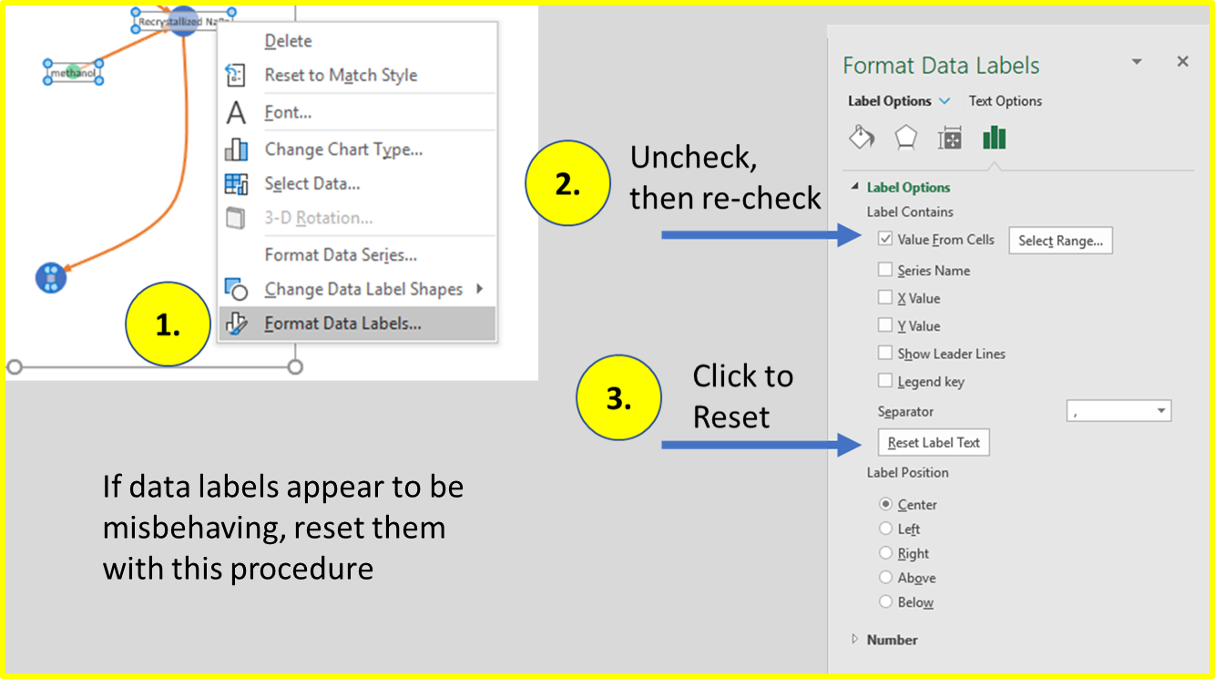

Overall Process Metrics for the Synthesis of Packaged Placeholder Product

Overall Process Metrics per kg of Packaged Placeholder Product
Overall Process Metrics per kg of Packaged Placeholder Product
 | Radar Plot Style | Bar Graph Style |  |  |  | Data Table
 |  |  |  |  |  | Step Scaling Iterator: | Freeze | ç | If plots appear blank after re-running and freezing iterator, press 'F9' on keyboard.
 | Overall Process Metrics per kg of Packaged Placeholder Product | Overall Process Metrics per kg of Packaged Placeholder Product
 |  |  |  |  |  | Table_Process_Overview
 |  |  |  |  |  | Process Metrics per kg API | Total | Reagent | Metal | Solvent | Water | Enzymes & Plant Extracts
 |  |  |  |  |  | PMI | 1.00 | 1.00 | 0.00 | 0.00 | 0.00 | 0.00
 |  |  |  |  |  | Mass Net (kg) | 2.09 | 2.09 | 0.00 | 0.00 | 0.00 | 0.00
 |  |  |  |  |  | Energy (MJ) | 74.87 | 74.87 | 0.00 | 0.00 | 0.00 | 0.00
 |  |  |  |  |  | GWP (kg CO2 equiv.) | 2.62 | 2.62 | 0.00 | 0.00
 |  |  |  |  |  | Acidification (kg SO2 equiv.) | 0.01 | 0.01 | 0.00 | 0.00
 |  |  |  |  |  | Eutrophication (kg posphate equiv.) | 0.01 | 0.01 | 0.00 | 0.00
 |  |  |  |  |  | Water (kg) | 14.70 | 14.70 | 0.00 | 0.00

Breakdown of Overall Process Metrics for the Synthesis of Packaged Placeholder Product

Breakdown of PMI by Class
 | PMI
Reagent | 1.00
Metal | 0.00
Solvent | 0.00
Water | 0.00
Enzymes & Plant Extracts | 0.00
Other | 0.00
Breakdown of Mass Net by Class
 | Mass Net (kg)
Reagent | 2.09
Metal | 0.00
Solvent | 0.00
Water | 0.00
Enzymes & Plant Extracts | 0.00
Other | 0.00
Breakdown of Energy by Class
 | Energy (MJ)
Reagent | 74.87
Metal | 0.00
Solvent | 0.00
Water | 0.00
Enzymes & Plant Extracts | 0.00
Other | 0.00
Breakdown of GWP by Class
 | GWP (kg CO2 equiv.)
Reagent | 2.62
Metal | 0.00
Solvent | 0.00
Water | 0.00
Enzymes & Plant Extracts | 0.00
Other | 0.00

Breakdown of Acidification by Class
 | Acidification (kg SO2 equiv.)
Reagent | 0.01
Metal | 0.00
Solvent | 0.00
Water | 0.00
Enzymes & Plant Extracts | 0.00
Other | 0.00
Breakdown of Eutrophication by Class
 | Eutrophication (kg posphate equiv.)
Reagent | 0.01
Metal | 0.00
Solvent | 0.00
Water | 0.00
Enzymes & Plant Extracts | 0.00
Other | 0.00
Breakdown of Water Depletion by Class
 | Water (kg)
Reagent | 14.70
Metal | 0.00
Solvent | 0.00
Water | 0.00
Enzymes & Plant Extracts | 0.00
Other | 0.00
Breakdown of COG by Class
Reagent
Metal
Solvent
Water
Enzymes & Plant Extracts
Other

Process Metrics Detail:

 | By Material |  |  |  |  | By Step

Physical Mass (kg) of Unique Inputs per kg of Packaged Placeholder Product
 | OTHER | Enzymes & Plant Extracts | Metal | Reagent | Solvent | Water | Total (for Data Labels) | Cumulative
Placeholder RM | 0 | 0 | 0 | 1 | 0 | 0 | 1 | 1
PMI of Each Step per kg of Packaged Placeholder Product
 | Other | Enzymes & Plant Extracts | Metal | Reagent | Solvent | Water | Total (for Data Labels) | Cumulative
Placeholder Step | 0 | 0 | 0 | 1 | 0 | 0 | 1.00 | 1.00
 | #N/A | #N/A | #N/A | #N/A | #N/A | #N/A | #N/A | #N/A
Physical Mass and PMI per kg API | Physical Mass (kg) of Unique Inputs per kg of Packaged Placeholder Product |  |  |  |  | PMI of Each Step per kg of Packaged Placeholder Product

Mass Net of Unique Inputs per kg of Packaged Placeholder Product
 | OTHER | Enzymes & Plant Extracts | Metal | Reagent | Solvent | Water | Total (for Data Labels) | Cumulative
Placeholder RM | 0 | 0 | 0 | 2.0861208174 | 0 | 0 | 2.0861208174 | 2.0861208174
Mass Net of Each Step per kg of Packaged Placeholder Product
 | Other | Enzymes & Plant Extracts | Metal | Reagent | Solvent | Water | Total (for Data Labels) | Cumulative
Placeholder Step | 0 | 0 | 0 | 2.0861208174 | 0 | 0 | 2.0861208174 | 2.0861208174
 | #N/A | #N/A | #N/A | #N/A | #N/A | #N/A | #N/A | #N/A
Mass Net per kg API | Mass Net of Unique Inputs per kg of Packaged Placeholder Product |  |  |  |  | Mass Net of Each Step per kg of Packaged Placeholder Product

Energy of Unique Inputs per kg of Packaged Placeholder Product
 | OTHER | Enzymes & Plant Extracts | Metal | Reagent | Solvent | Water | Total (for Data Labels) | Cumulative
Placeholder RM | 0 | 0 | 0 | 74.867288613 | 0 | 0 | 74.867288613 | 74.867288613
Energy of Each Step per kg of Packaged Placeholder Product
 | Other | Enzymes & Plant Extracts | Metal | Reagent | Solvent | Water | Total (for Data Labels) | Cumulative
Placeholder Step | 0 | 0 | 0 | 74.867288613 | 0 | 0 | 74.867288613 | 74.867288613
 | #N/A | #N/A | #N/A | #N/A | #N/A | #N/A | #N/A | #N/A
Energy per kg API | Energy of Unique Inputs per kg of Packaged Placeholder Product |  |  |  |  | Energy of Each Step per kg of Packaged Placeholder Product

Global Warming Potential of Unique Inputs per kg of Packaged Placeholder Product
 | OTHER | Enzymes & Plant Extracts | Metal | Reagent | Solvent | Water | Total (for Data Labels) | Cumulative
Placeholder RM | 0 | 0 | 0 | 2.6244035558 | 0 | 0 | 2.6244035558 | 2.6244035558
Global Warming Potential of Each Step per kg of Packaged Placeholder Product
 | Other | Enzymes & Plant Extracts | Metal | Reagent | Solvent | Water | Total (for Data Labels) | Cumulative
Placeholder Step | 0 | 0 | 0 | 2.6244035558 | 0 | 0 | 2.6244035558 | 2.6244035558
 | #N/A | #N/A | #N/A | #N/A | #N/A | #N/A | #N/A | #N/A
GWP per kg API | Global Warming Potential of Unique Inputs per kg of Packaged Placeholder Product |  |  |  |  | Global Warming Potential of Each Step per kg of Packaged Placeholder Product

Acidification Potential of Unique Inputs per kg of Packaged Placeholder Product
 | OTHER | Enzymes & Plant Extracts | Metal | Reagent | Solvent | Water | Total (for Data Labels) | Cumulative
Placeholder RM | 0 | 0 | 0 | 0.011223113744 | 0 | 0 | 0.011223113744 | 0.011223113744
Acidification Potential of Each Step per kg of Packaged Placeholder Product
 | Other | Enzymes & Plant Extracts | Metal | Reagent | Solvent | Water | Total (for Data Labels) | Cumulative
Placeholder Step | 0 | 0 | 0 | 0.011223113744 | 0 | 0 | 0.011223113744 | 0.011223113744
 | #N/A | #N/A | #N/A | #N/A | #N/A | #N/A | #N/A | #N/A
Acidification per kg API | Acidification Potential of Unique Inputs per kg of Packaged Placeholder Product |  |  |  |  | Acidification Potential of Each Step per kg of Packaged Placeholder Product

Eutrophication Potential of Unique Inputs per kg of Packaged Placeholder Product
 | OTHER | Enzymes & Plant Extracts | Metal | Reagent | Solvent | Water | Total (for Data Labels) | Cumulative
Placeholder RM | 0 | 0 | 0 | 0.0089864536226 | 0 | 0 | 0.0089864536226 | 0.0089864536226
Eutrophication Potential of Each Step per kg of Packaged Placeholder Product
 | Other | Enzymes & Plant Extracts | Metal | Reagent | Solvent | Water | Total (for Data Labels) | Cumulative
Placeholder Step | 0 | 0 | 0 | 0.0089864536226 | 0 | 0 | 0.0089864536226 | 0.0089864536226
 | #N/A | #N/A | #N/A | #N/A | #N/A | #N/A | #N/A | #N/A
Eutrophication per kg API | Eutrophication Potential of Unique Inputs per kg of Packaged Placeholder Product |  |  |  |  | Eutrophication Potential of Each Step per kg of Packaged Placeholder Product

Water Depletion of Unique Inputs per kg of Packaged Placeholder Product
 | OTHER | Enzymes & Plant Extracts | Metal | Reagent | Solvent | Water | Total (for Data Labels) | Cumulative
Placeholder RM | 0 | 0 | 0 | 14.695319198 | 0 | 0 | 14.695319198 | 14.695319198
Water Depletion of Each Step per kg of Packaged Placeholder Product
 | Other | Enzymes & Plant Extracts | Metal | Reagent | Solvent | Water | Total (for Data Labels) | Cumulative
Placeholder Step | 0 | 0 | 0 | 14.695319198 | 0 | 0 | 14.695319198 | 14.695319198
 | #N/A | #N/A | #N/A | #N/A | #N/A | #N/A |  | #N/A
Water per kg API | Water Depletion of Unique Inputs per kg of Packaged Placeholder Product |  |  |  |  | Water Depletion of Each Step per kg of Packaged Placeholder Product

