Water PMI
Water PMI
Water Notation | Water Conversion Factors |  |  | Total process mass intensity (PMIW) for water is calculated as the sum of all input water. Each type of water is multiplied by conversion factor (CPR, CPW, CWFI) so that PMIW is reported as kg municpal water.
Process water (PR) | kg municipal water / kg PR = | 1.25
${PMI}_{W}= {(W}_{mun}+ c_{PR}W_{PR}+ c_{PW}W_{PW}+ c_{WFI}W_{WFI})$/ kg API producted
Purified Water (PW) | kg municipal water / kg PW = | 1.25
Water For Injection (WFI) | kg municipal water / kg WFI = | 1.41

 |  | ENTER DATA |  |  |  |  |  | AUTO-CALCULATED VALUES
PROCESS AREA | OPERATION | Type & Amount of Water Used (kg or L) |  |  |  | Process Liquid Volume | API Conc. | API Amount | Total municipal water used | PMIw
 |  | Municipal Water | Process Water | Purified Water | WFI | L | g/L | kg | kg | kg water / kg API
USP | SEED TRAIN EXPANSION
 | N-3 |  |  |  |  |  |  | 0 | 0 | NA
 | N-2 |  |  |  |  |  |  | 0 | 0 | NA
 | N-1 |  |  |  |  |  |  | 0 | 0 | NA
 | FERMENTATION / CELL CULTURE |  |  |  |  |  |  | 0.0 | 0 | NA

ISOLATION / RECOVERY | HOMOGENIZATION |  |  |  |  |  |  | 0 | 0 | NA
 | FLOCCULATION |  |  |  |  |  |  | 0 | 0 | NA
 | EXTRACTION |  |  |  |  |  |  | 0 | 0 | NA
 | CENTRIFUGATION |  |  |  |  |  |  | 0 | 0 | NA
 | SEDIMENTATION |  |  |  |  |  |  | 0 | 0 | NA
 | DEPTH FILTRATION |  |  |  |  |  |  | 0 | 0 | NA
 | WASHING |  |  |  |  |  |  | 0 | 0 | NA
 | DILUTION |  |  |  |  |  |  | 0 | 0 | NA

DSP | EXTRACTION |  |  |  |  |  |  | 0 | 0 | NA
 | ADSORPTION |  |  |  |  |  |  | 0 | 0 | NA
 | PRECIPITATION |  |  |  |  |  |  | 0 | 0 | NA
 | FILTRATION
 | Filtration 1 |  |  |  |  |  |  | 0 | 0 | NA
 | Filtration 2 |  |  |  |  |  |  | 0 | 0 | NA
 | Filtration 3 |  |  |  |  |  |  | 0 | 0 | NA
 | CHROMATOGRAPHY
 | Column 1 |  |  |  |  |  |  | 0 | 0 | NA
 | Column 2 |  |  |  |  |  |  | 0 | 0 | NA
 | Column 3 |  |  |  |  |  |  | 0 | 0 | NA
 | Column 4 |  |  |  |  |  |  | 0 | 0 | NA
 | ULTRAFILTRATION / DIAFILTRATION
 | UF/DF 1 |  |  |  |  |  |  | 0 | 0 | NA
 | UF/DF 2 |  |  |  |  |  |  | 0 | 0 | NA
 | UF/DF 3 |  |  |  |  |  |  | 0 | 0 | NA
 | VIRAL TREATMENT
 | Viral Inactivation |  |  |  |  |  |  | 0 | 0 | NA
 | Viral filtration |  |  |  |  |  |  | 0 | 0 | NA

REACTION | REFOLD |  |  |  |  |  |  | 0 | 0 | NA
 | HYDROLYSIS |  |  |  |  |  |  | 0 | 0 | NA
 | ENZYMATIC CONVERSION |  |  |  |  |  |  | 0 | 0 | NA
 | CLEAVAGE |  |  |  |  |  |  | 0 | 0 | NA
 | CONJUGATION |  |  |  |  |  |  | 0 | 0 | NA

PURIFIED DRUG SUBSTANCE | BULK FILL |  |  |  |  |  |  | 0 | 0 | NA
 | FINAL FILL |  |  |  |  | 400 | 7 | 2.8 | 0 | 0.0
 |  |  |  |  |  |  | TOTAL | 2.8 | 0.0 | 0.0

Raw mats PMI
Raw Material PMI
$${PMI}_{RM}= \frac{total kg raw materials used}{kg API produced}$$
Raw materials include, but are not limited to, media and cell culture feeds, bases, acids, salts, surfactants, and solvents.
It is not necessary to separate by material type; columns for various materials are provided in case users are interested in recording them separately. Include pre-made solutions in this tab (including liquid amount).

 |  | ENTER DATA |  |  |  |  |  |  | CALCULATED VALUES
PROCESS AREA | OPERATION | For each step, enter total amount of material used | Type & Amount of Raw Material Used (kg) |  |  |  |  |  | API | Total Raw Mats used | PMIRM
 |  | Total material (kg) | Media and other chemicals | Bases | Acids | Salts | Surfactants | Solvents | kg | kg | kg raw mat/ kg API
USP | SEED TRAIN EXPANSION
 | N-3 | 150 | 25 | 25 | 20 | 10 | 5 |  | 0 | 150 | NA
 | N-2 |  |  |  |  |  |  |  | 0 | 0 | NA
 | N-1 |  |  |  |  |  |  |  | 0 | 0 | NA
 | FERMENTATION / CELL CULTURE |  |  |  |  |  |  |  | 0 | 0 | NA

ISOLATION / RECOVERY | HOMOGENIZATION |  |  |  |  |  |  |  | 0 | 0 | NA
 | FLOCCULATION |  |  |  |  |  |  |  | 0 | 0 | NA
 | EXTRACTION |  |  |  |  |  |  |  | 0 | 0 | NA
 | CENTRIFUGATION |  |  |  |  |  |  |  | 0 | 0 | NA
 | SEDIMENTATION |  |  |  |  |  |  |  | 0 | 0 | NA
 | DEPTH FILTRATION |  |  |  |  |  |  |  | 0 | 0 | NA
 | WASHING |  |  |  |  |  |  |  | 0 | 0 | NA
 | DILUTION |  |  |  |  |  |  |  | 0 | 0 | NA

DSP | EXTRACTION |  |  |  |  |  |  |  | 0 | 0 | NA
 | ADSORPTION |  |  |  |  |  |  |  | 0 | 0 | NA
 | PRECIPITATION |  |  |  |  |  |  |  | 0 | 0 | NA
 | FILTRATION
 | Filtration 1 |  |  |  |  |  |  |  | 0 | 0 | NA
 | Filtration 2 |  |  |  |  |  |  |  | 0 | 0 | NA
 | Filtration 3 |  |  |  |  |  |  |  | 0 | 0 | NA
 | CHROMATOGRAPHY
 | Column 1 |  |  |  |  |  |  |  | 0 | 0 | NA
 | Column 2 |  |  |  |  |  |  |  | 0 | 0 | NA
 | Column 3 |  |  |  |  |  |  |  | 0 | 0 | NA
 | Column 4 |  |  |  |  |  |  |  | 0 | 0 | NA
 | ULTRAFILTRATION / DIAFILTRATION
 | UF/DF 1 |  |  |  |  |  |  |  | 0 | 0 | NA
 | UF/DF 2 |  |  |  |  |  |  |  | 0 | 0 | NA
 | UF/DF 3 |  |  |  |  |  |  |  | 0 | 0 | NA
 | VIRAL TREATMENT
 | Viral Inactivation |  |  |  |  |  |  |  | 0 | 0 | NA
 | Viral filtration |  |  |  |  |  |  |  | 0 | 0 | NA

REACTION | REFOLD |  |  |  |  |  |  |  | 0 | 0 | NA
 | HYDROLYSIS |  |  |  |  |  |  |  | 0 | 0 | NA
 | ENZYMATIC CONVERSION |  |  |  |  |  |  |  | 0 | 0 | NA
 | CLEAVAGE |  |  |  |  |  |  |  | 0 | 0 | NA
 | CONJUGATION |  |  |  |  |  |  |  | 0 | 0 | NA

PURIFIED DRUG SUBSTANCE | BULK FILL |  |  |  |  |  |  |  | 0 | 0 | NA
 | FINAL FILL |  |  |  |  |  |  |  | 2.8 | 0 | 0.0
 |  |  |  |  |  |  |  | TOTAL | 2.8 | 150 | 53.571428571

Consumable PMI
${PMI}_{C}= {(Uf}_{bag}C_{bag}+ {Uf}_{resin}C_{resin}+ {Uf}_{filter}C_{filter}+{Uf}_{mem}C_{mem}$)/kg PMI
Consumable PMI
The efficiency factor accounts for reuse of material (resins, membranes, etc) during production cycle.
Utilization factor (Uf) = $\frac{\# cycles used}{total \# cycles}$
 |  |  | Average consumable weights can be found on the "Consumable weights" tab. These averages are intended to give the user a generic average weight for common consumables to reduce data gathering needs.

 |  | ENTER DATA |  |  |  |  |  |  |  |  | CALCULATED VALUES
PROCESS AREA | OPERATION | Type and amount of consumables used (kg) |  |  |  |  |  |  |  |  | Total API | Total Consumables Used [kg] | PMIc
 |  | Bags | Bioreactors | Utilization factor (Uf) | Resins | Utilization factor (Uf) | Filters | Utilization factor (Uf) | Membranes | Utilization factor (Uf) | kg | = Sum [Ef*kg consumable] | kg consumables / kg API
USP | SEED TRAIN EXPANSION
 | N-3 |  |  |  |  |  |  |  |  |  | 0 | 0 | NA
 | N-2 |  |  |  |  |  |  |  |  |  | 0 | 0 | NA
 | N-1 |  |  |  |  |  |  |  |  |  | 0 | 0 | NA
 | FERMENTATION / CELL CULTURE |  |  |  |  |  |  |  |  |  | 0 | 0 | NA

ISOLATION / RECOVERY | HOMOGENIZATION |  |  |  |  |  |  |  |  |  | 0 | 0 | NA
 | FLOCCULATION |  |  |  |  |  |  |  |  |  | 0 | 0 | NA
 | EXTRACTION |  |  |  |  |  |  |  |  |  | 0 | 0 | NA
 | CENTRIFUGATION |  |  |  |  |  |  |  |  |  | 0 | 0 | NA
 | SEDIMENTATION |  |  |  |  |  |  |  |  |  | 0 | 0 | NA
 | DEPTH FILTRATION |  |  |  |  |  |  |  |  |  | 0 | 0 | NA
 | WASHING |  |  |  |  |  |  |  |  |  | 0 | 0 | NA
 | DILUTION |  |  |  |  |  |  |  |  |  | 0 | 0 | NA

DSP | EXTRACTION |  |  |  |  |  |  |  |  |  | 0 | 0 | NA
 | ADSORPTION |  |  |  |  |  |  |  |  |  | 0 | 0 | NA
 | PRECIPITATION |  |  |  |  |  |  |  |  |  | 0 | 0 | NA
 | FILTRATION
 | Filtration 1 |  |  |  |  |  |  |  |  |  | 0 | 0 | NA
 | Filtration 2 |  |  |  |  |  |  |  |  |  | 0 | 0 | NA
 | Filtration 3 |  |  |  |  |  |  |  |  |  | 0 | 0 | NA
 | CHROMATOGRAPHY
 | Column 1 |  |  |  |  |  |  |  |  |  | 0 | 0 | NA
 | Column 2 |  |  |  |  |  |  |  |  |  | 0 | 0 | NA
 | Column 3 |  |  |  |  |  |  |  |  |  | 0 | 0 | NA
 | Column 4 |  |  |  |  |  |  |  |  |  | 0 | 0 | NA
 | ULTRAFILTRATION / DIAFILTRATION
 | UF/DF 1 |  |  |  |  |  |  |  |  |  | 0 | 0 | NA
 | UF/DF 2 |  |  |  |  |  |  |  |  |  | 0 | 0 | NA
 | UF/DF 3 |  |  |  |  |  |  |  |  |  | 0 | 0 | NA
 | VIRAL TREATMENT
 | Viral Inactivation |  |  |  |  |  |  |  |  |  | 0 | 0 | NA
 | Viral filtration |  |  |  |  |  |  |  |  |  | 0 | 0 | NA

REACTION | REFOLD |  |  |  |  |  |  |  |  |  | 0 | 0 | NA
 | HYDROLYSIS |  |  |  |  |  |  |  |  |  | 0 | 0 | NA
 | ENZYMATIC CONVERSION |  |  |  |  |  |  |  |  |  | 0 | 0 | NA
 | CLEAVAGE |  |  |  |  |  |  |  |  |  | 0 | 0 | NA
 | CONJUGATION |  |  |  |  |  |  |  |  |  | 0 | 0 | NA

PURIFIED DRUG SUBSTANCE | BULK FILL |  |  |  |  |  |  |  |  |  | 0 | 0 | NA
 | FINAL FILL |  |  |  |  |  |  |  |  |  | 2.8 | 0 | 0
 |  |  |  |  |  |  |  |  |  | TOTAL | 2.8 | 0 | 0

Production Process Parameters
 | Example mAb unit operations for production process
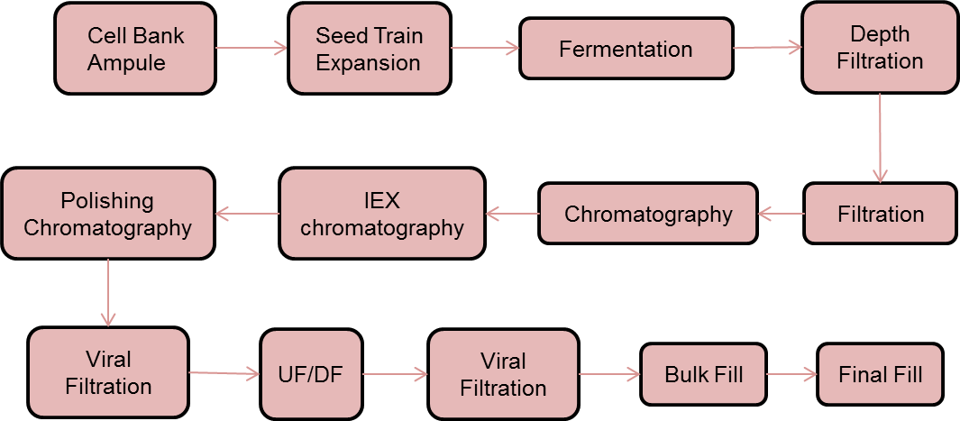
Upstream process
Isolation/Recovery
Downstream process
Purified Drug Substance

 | Example Bacterial unit operations for production process
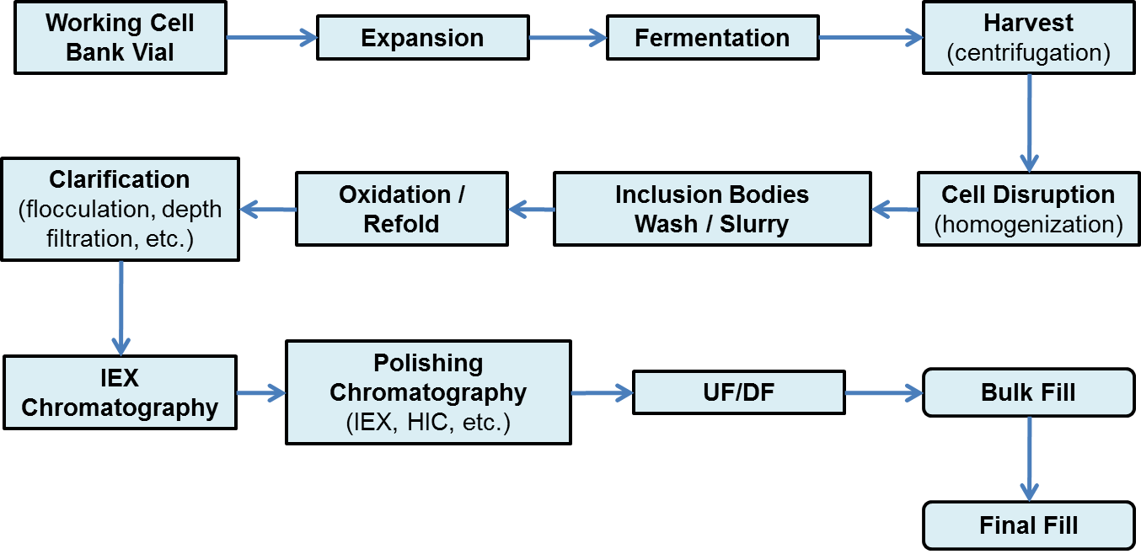
Upstream process
Isolation/Recovery
Downstream process
Purified Drug Substance
Reaction

Unit Operation Definitions
Upstream Process (USP): seed train expansion, bioreactor
Isolation/Recovery: steps involved in separating the product from the cell mass and associated operations such as homogenization, centrifugation, depth filtration.
Downstream Process (DSP): steps involved in purification such as chromatography, ultrafiltration, viral treatment.
Reaction: steps involving reactions post fermentation in order to modify the biomolecule such as protein refold, cleavage, or conjugation.
Purified Drug Substance: bulk fill, final fill

Water Conversion Factors
 | From City Water to (Liter/Liter) |  |  | BMS water purification route
Company | Process Water | Purified Water | WFI
Pfizer |  | 1.35 | 1.45
DSM |  |  | 1.65
JnJ |  | 1.07 | 1.17
BMS |  |  | 1.3
Genentech | 50% recovery | 1.46 | 1.61
Amgen |  | 1.13 | 1.3
Overall Average |  | 1.25 | 1.41

Short description of the city water to WFI process at DSM: 1. city water to break tank (then called process water) 2. Process water to softening 3. Softened water to reversed osmosis (RO) filtration / generation 4. RO water passes through UV filter (biological disinfection) 5. RO water goes after UV filter to supply tank of WFI distillation unit 6. After distillation (heating and condensation) you WFI (at DSM in a cold ~ 35 gr., and hot ~ 85 gr. loop) We have no stock purified water and continued de-ionization WFI generation. The RO installation has a reject flow. Iet it dumps part of its water into the sewer to get rid of the pollution. for the production of 1 liter of WFI ~ 1.6 / 1.7 liters of process water is need (taking into account the RO reject flow and regeneration (flushing and activation) of the softened water columns). The collection of the flow reject and to use it for another purpose (eg in soft water loop) is one of the sustainability project for 2013.

Pfizer Pilot Plant Water
Purification Process

